START
Investment form

Selected company: |  |  |  |  | Legend/ color guide

 | 1661 HR Turkey |  | HRTurkey |  |  | field with calculated data - no entry!

Selected location: |  |  |  |  |  | field with drop down selection

 | 166101 Bornova |  |  |  |  | field for manual data input

Selected year: |  |  |  |  |  | field with calculated data from Sales Report - no entry!

 | 2021 |  |  |  |  | field to be filled in by Holding

Selected local currency and exchange rate:

 | TRY | 1,00 EUR = | 7.5 | (Proposal from Budget 2019 FX rates: 9,67)

General guide line: Enter P&L values according to INFOR logic:
Revenue values are positive, expense values are negative!
Please consider the investment information below.

INFOR Input
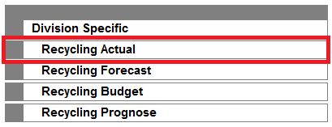
INFOR-PreviousYearEURO
INFOR OneGroup BI PROD - Recycling Actual:

Open the Report "ACT Rep - P&L All Depots"
Select your profit center and the previous year
and Month: "12 YTD", "in thousands" and "Euro"
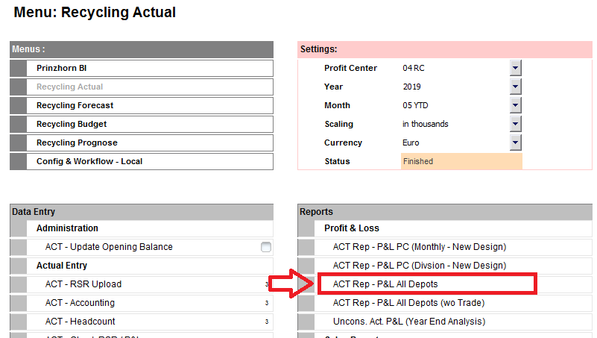

Open the Report in Excel and copy in following way:
Press "CTRL" and "pos1" (will mark the cell C2)
Hold "Shift" + "CTRL" and press "End" (will mark relevant area)

Copy, mark cell A1 of sheet "INF_PrevYearEUR" and paste values -->

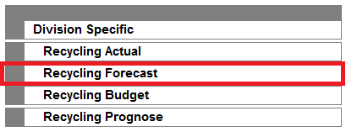
INFOR-ActualYearEURO

INFOR OneGroup BI PROD - Recycling Forecast:

Open the Report "FC Rep - P&L All Depots"
Select your profit center and the latest available forecast
(usually current year and previous month)
"in thousands" and "Euro"
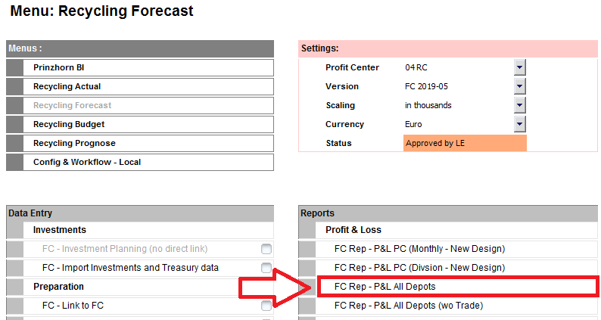

Open the Report in Excel and copy in following way:
Press "CTRL" and "pos1" (will mark the cell C2)
Hold "Shift" + "CTRL" and press "End" (will mark relevant area)

Copy, mark cell A1 of sheet "INF_FC_EUR" and paste values -->

DATA Input

PP Form
Enter a project name and a detailed description, complete the light blue cells, this sheet shall match the Project Proposal in Infor
BusPlan Location
Complete the P&L for the planning years showing only the additional (!) business
Sales Report
Fill in the sales report for the additional business for all planning years
Headcount
Fill in the new and actual headcount (2 different tables! at one sheet)
Investment per Year
Enter a short description, cashouts and depreciation of the investment
Cashflow per Quarter
Show the timing of the planned cashouts more detailed

Investment Categorization
Each Investment shall be uniquely categorized and defined by the project number, which is entered in the current valid ERP- / BI-System.
The financing method of an investment (e.g. Leasing) is not relevant for the categorization but need to be stated in the investment proposal.
Once approved and the financing method is decided, the correct cash flow must be shown as it actually happens.

(A) Stabilizing - & Replacement Investments
Investments having a negative to slightly positive payback for the business. These investments are undertaken to secure the running
business.

 | A1 Stabilizing or Replacement Investments with positive return
 | Investments for replacements with additional benefits, e.g. cost saving – stabilizing in the meaning of “modernization”.

 | A2 Stabilizing or Replacement Investments with no return
 | e.g. investments and replacements of existing assets, all company cars, investments in office rooms, social rooms, etc.

 | A3 Investments for Safety, Health, Environmental or other aspects
 | Legal requirements independent from positive or no return. Investments which secure legal compliance (e.g. fire protection),
 | safety at work or environmental directives.

(B) Investments with payback
Investment to increase production capacity and/or profitability (low complexity and implementation time within 1 year).

(C) Major Projects
Investment to secure or increase production capacity and/or profitability (high complexity and implementation time longer than 1 year).
These investments relate to large-scale projects such as revitalisations of Profit Centers, plant enlargement projects with payback.

(D) Financial Investments
Share deals, Mergers and Acquisitions.
(D) cannot be handled within this file - you need a separate master file!

(E) Major Repair
No investment but expenses therefore no further treatment within this guideline.

PRINZHORN GROUP GUIDELINES |  |  |  |  |  |  | Version: 1.5 | Issued: Sept. 10th, 2014

General
These principles are the basis for the future investment planning & approval process.The target is to create a common understanding
on the unified investment process and to simplify and speed up the approval process.

Requirements
O | Once a year (budgeting) the investment plans are presented and explained
O | During the business year the overall investment plans needs to be on a monthly basis
O | The general status on Investments (Reporting) should be an integrated part of the monthly Controlling
O | All investments have to be categorized
O | Categorized Investments have to be further prioritized based on its liquidity effect (e.g. urgency / benefit for the business)
 | into Priority 1 or Priority 2.

Proposals on Major Repairs (“Großreparaturen”) are treated from a process perspective similar to investments but are not covered within
the investment guideline.

Prioritization
All categorized projects have to be ranked based on their priority – Priority 1 or Priority 2. The main characteristic of the PRIO 2 projects
is the possibility to postpone them at least for 1 year. For that reason they will also not have a liquidity effect in our cash flow; while all
PRIO 1 investments are part of the Investment Cash-Flow.

 | Realisation in the next year - Priority 1
 | Time critical investments which need to be done within the next business year (<1 year) in order to fulfil legal requirements,
 | secure current business and level of EBITDA or have an increased payback.

 | Realisation between 1 year and 3 years - Priority 1 or Priority 2
 | Less time critical investments which need to be done within the next 2-3 business years (>1 and <3 year) in order to fulfil
 | legal requirements, secure current business or increase payback. Those investments need to be discussed in the budgeting process
 | with the Management Board in order to define correct prioritisation in Prio 1 or Prio 2 (total liquidity will decide if Prio 1 is feasible).

 | Realisation > 3 years - Priority 2
 | Non time critical investments which are proposed by business in a timeframe > 3 years. These investments should be considered
 | as Priority 2.

Prioritization has an impact on the treatment of the investments in the budgeting process:

 | Priority 1
 | Investments under Priority 1 are cash relevant investments in the complete planning process. These investments will be considered
 | with all effects on P&L, Balance Sheet and on yearly Cash-Flow.

 | Priority 2
 | Investments under Priority 2 will only be listed under our investment projects without any impact on our P&L, Balance Sheet or yearly
 | Cash-Flow. Only in case of immediate need, cash availability and management decision, will these investments be initiated.
 | Investments which were approved as Priority 1 in the yearly budgeting process, but the corresponding investment proposal was not
 | submitted/approved, need to be re-presented in the following budgeting year (the old investment number will be closed and a new
 | one needs to be opened).

Carry Over
All investments with full proposal approval which are still in progress result in a carry over. No new approval will be needed in the
investment process. These carry overs are tracked by investment tracking and Cash Flow. All investments which are not fully approved
have to be reconsidered in the following years’ budget approval. All investments which have been approved during the budget process
but the corresponding investment proposal is not signed within the according year of planning until Oct. 31 have to be represented
during the budget process in the following year.

Investment approval process
Regardless of prioritisation and categorization of investments in the budgeting process, each investment has to be approved
(Investment Proposal) before the realization is started. At this point financing will be clarified. All Investment Proposals are entered in
functional currency and submitted in Group Currency (Euro) by Infor BI. Based on current Division specific approval processes an
approval hierarchy is defined and supported by the automatic workflow.

